Combined map
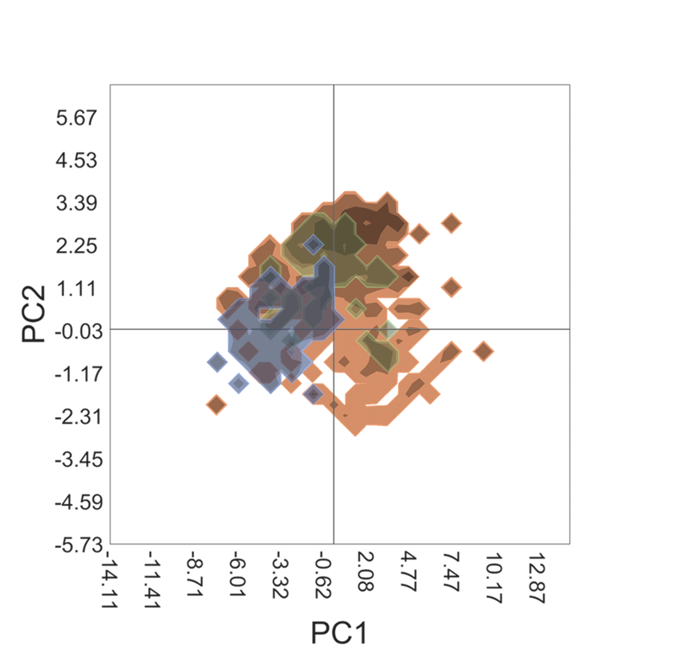
-2.9575352085 | 1.4117157827

TCAMS
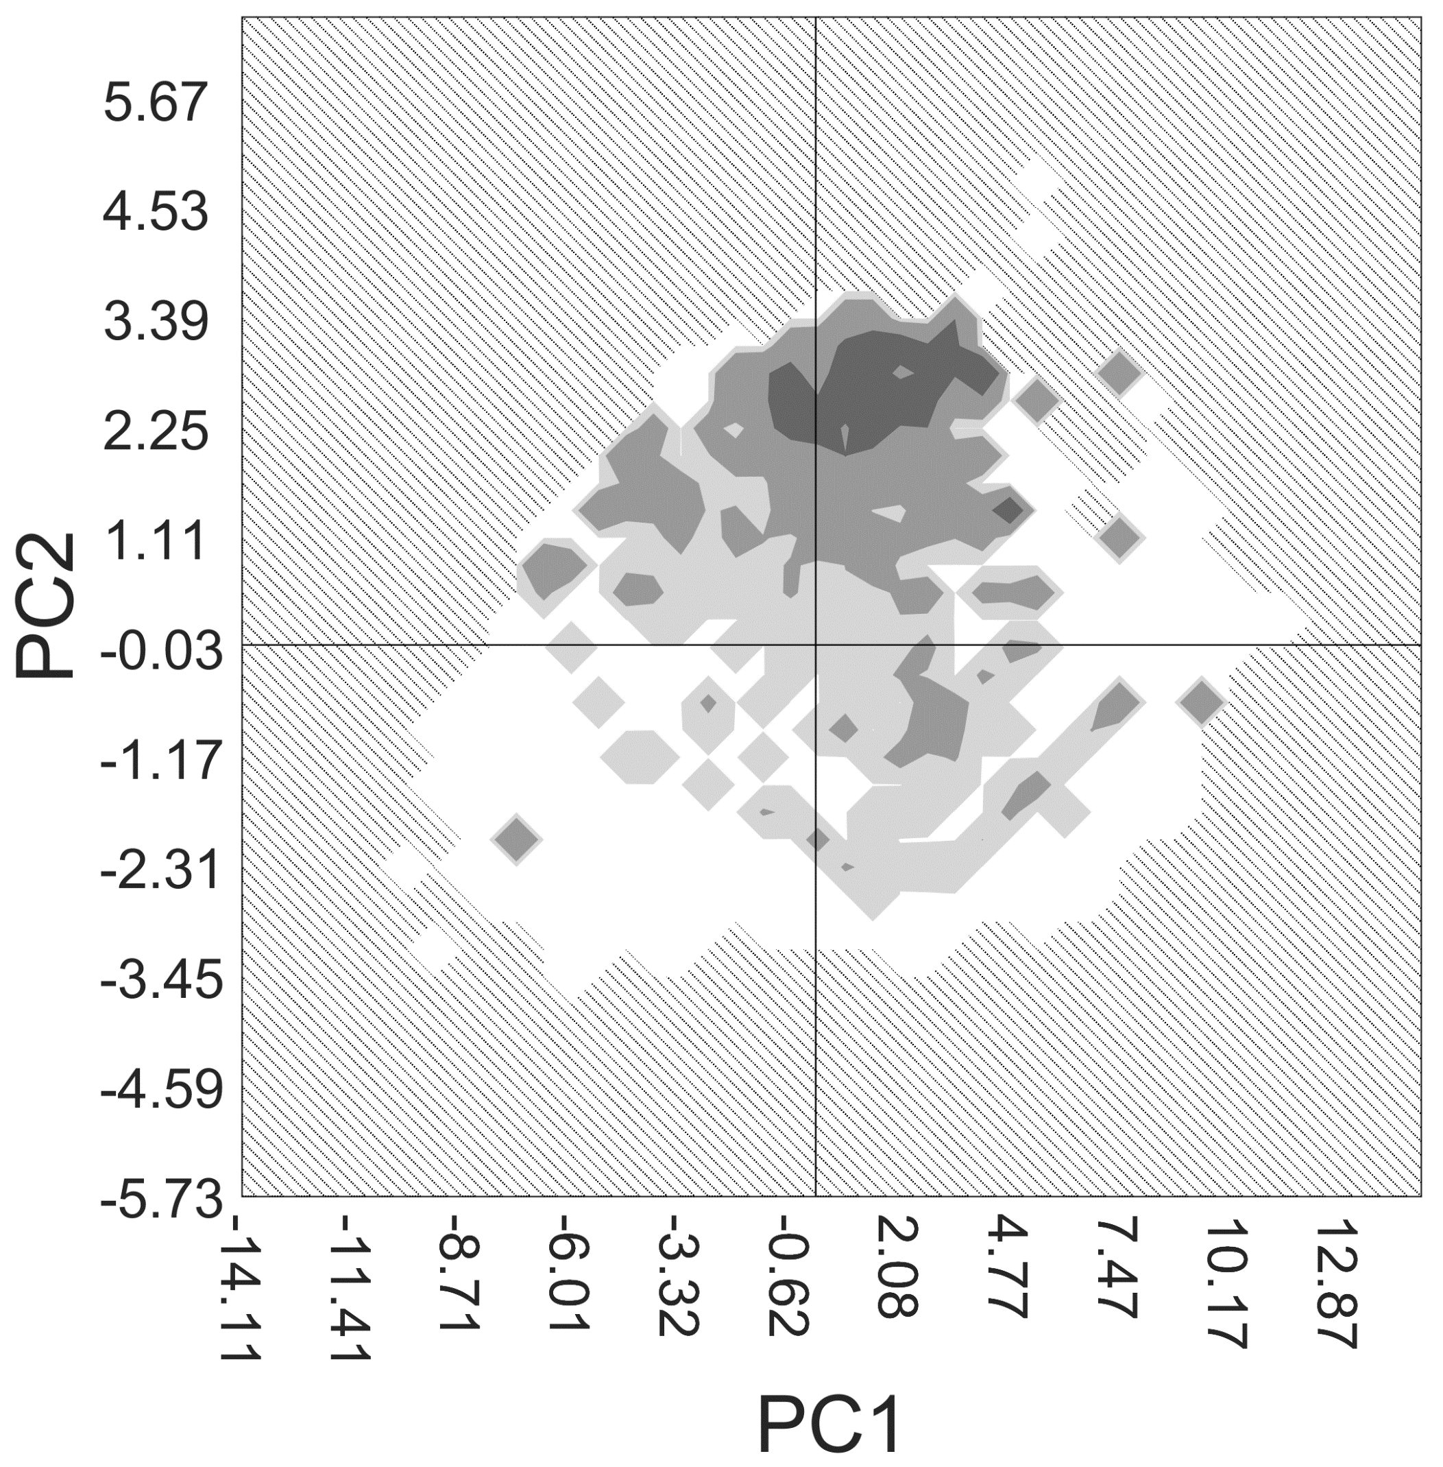
-2.9575352085 | 1.4117157827

DHODH
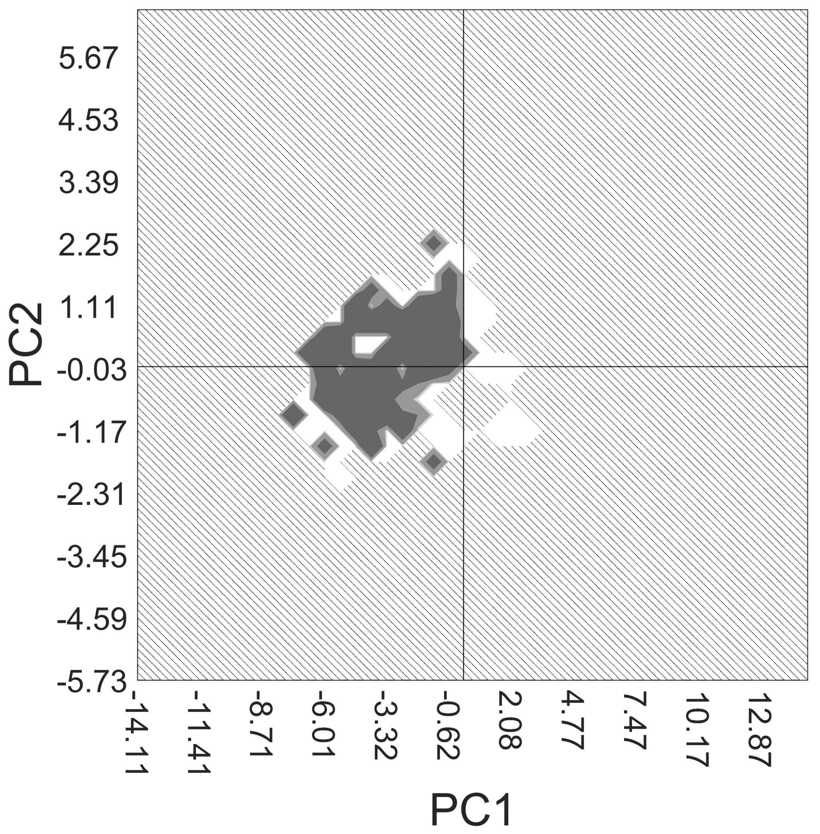
-2.9575352085 | 1.4117157827

PKG
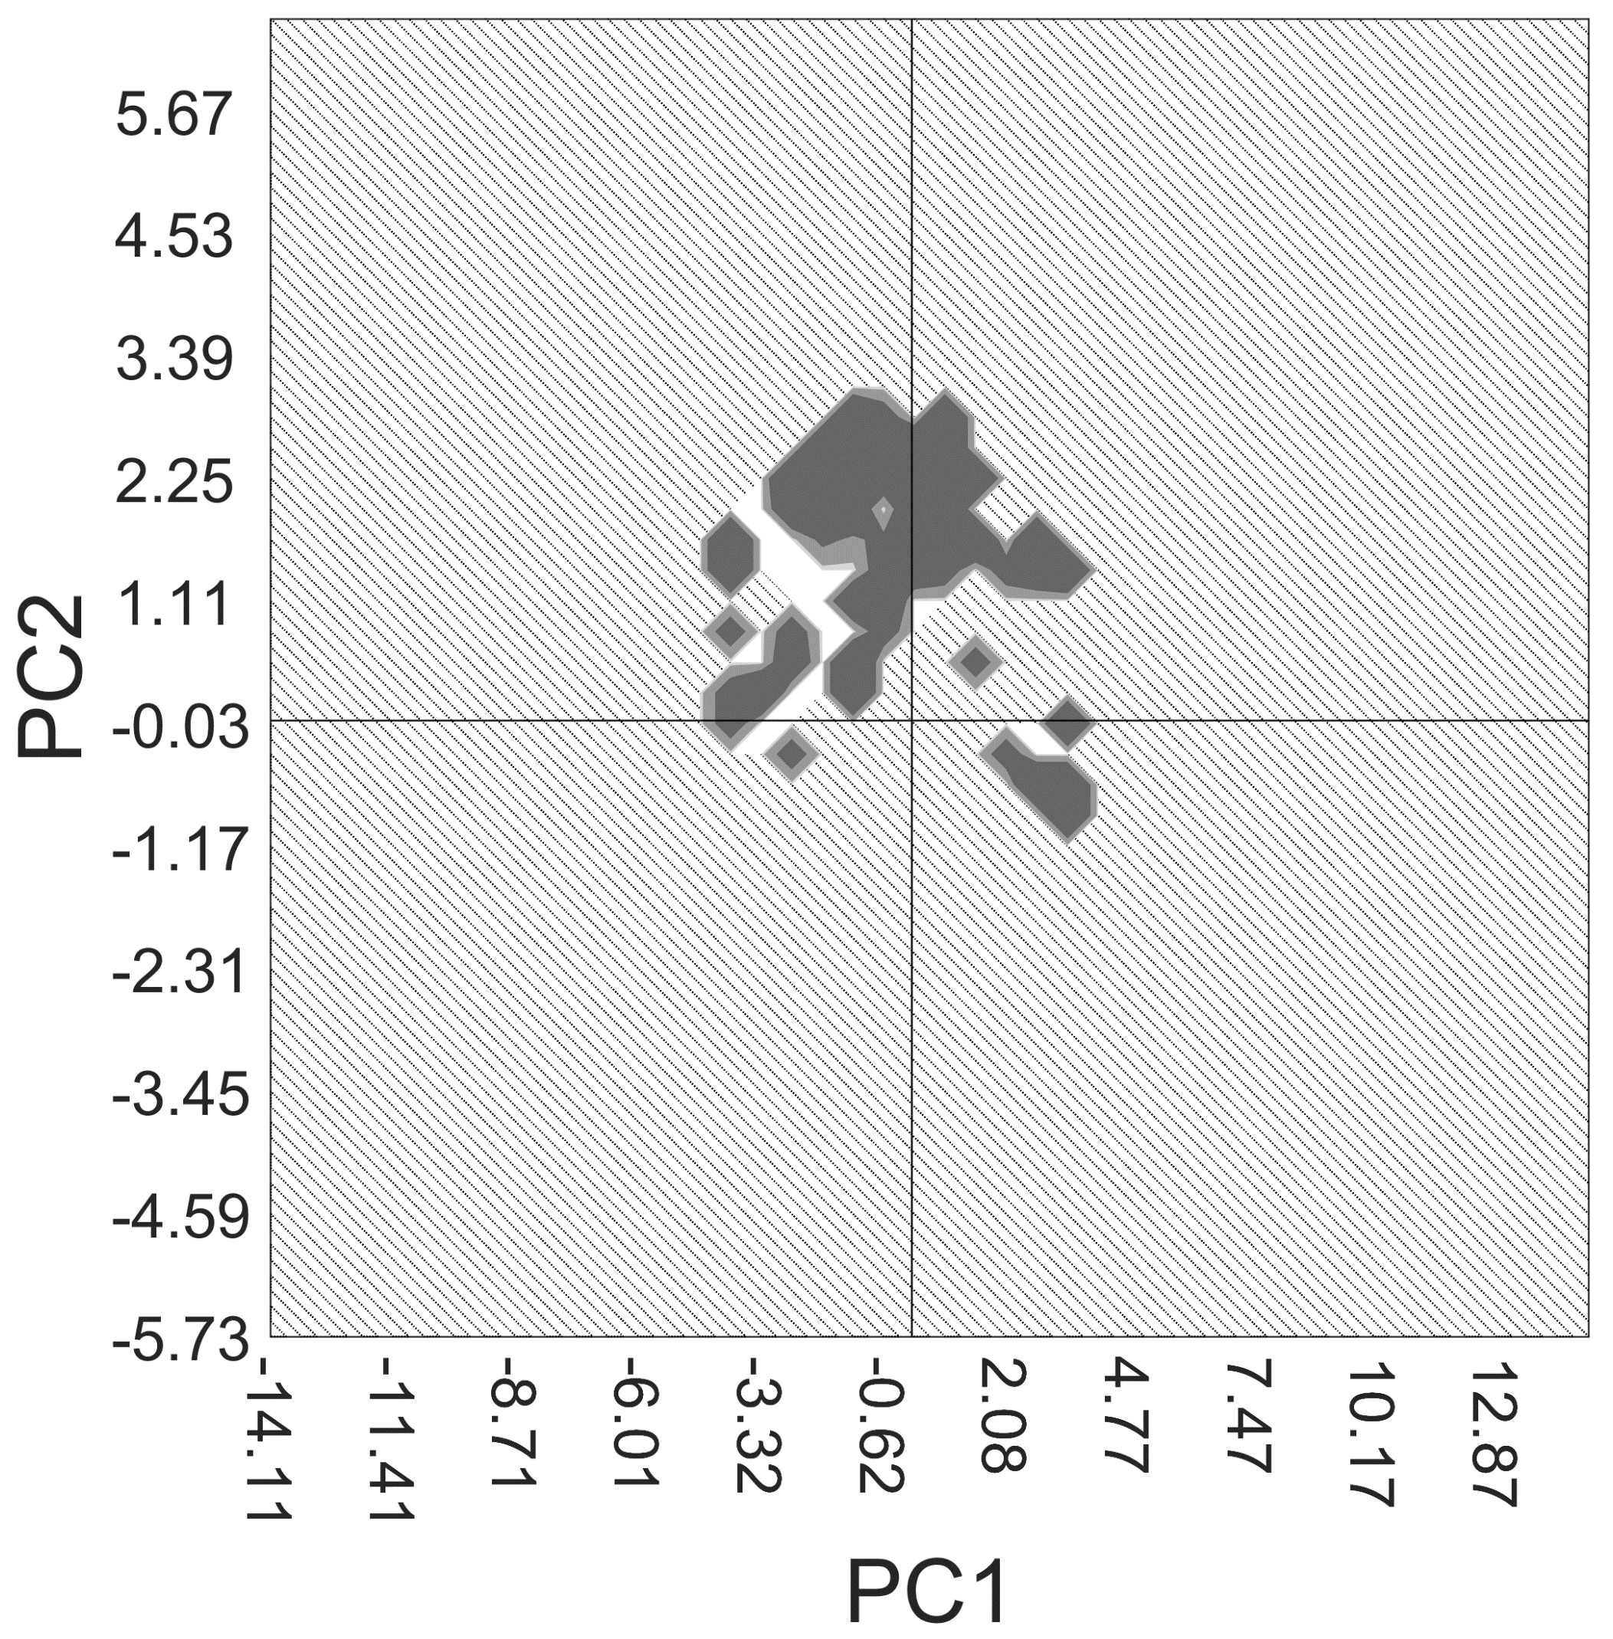
-2.9575352085 | 1.4117157827

